Identify Flowcharting Symbols
The following symbols are commonly used in program flowcharts to visually represent processes and decision points. Please identify these symbols and provide a brief description of their purpose in flowcharting. (5 Points)

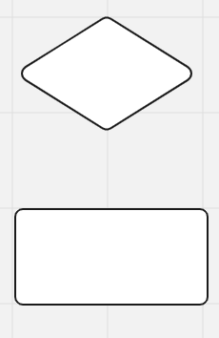
 | Symbol Name | External module call | Symbol Name | Decision
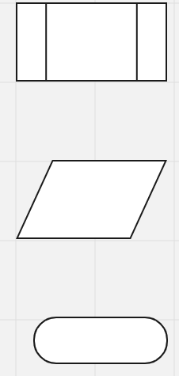
 | A process that is already defined elsewhere (a subroutine or function). |  | A point where a condition is checked and the flow branches (usually Yes/No or True/False).

 | Symbol Name | Input/Output | Symbol Name | Process

 | Represents input into the system or output from the system (like user input or displaying results). |  | A step where an action or calculation is performed.

 | Symbol Name | Terminal

 | Indicates the start or end of the program or process.

